HazOp
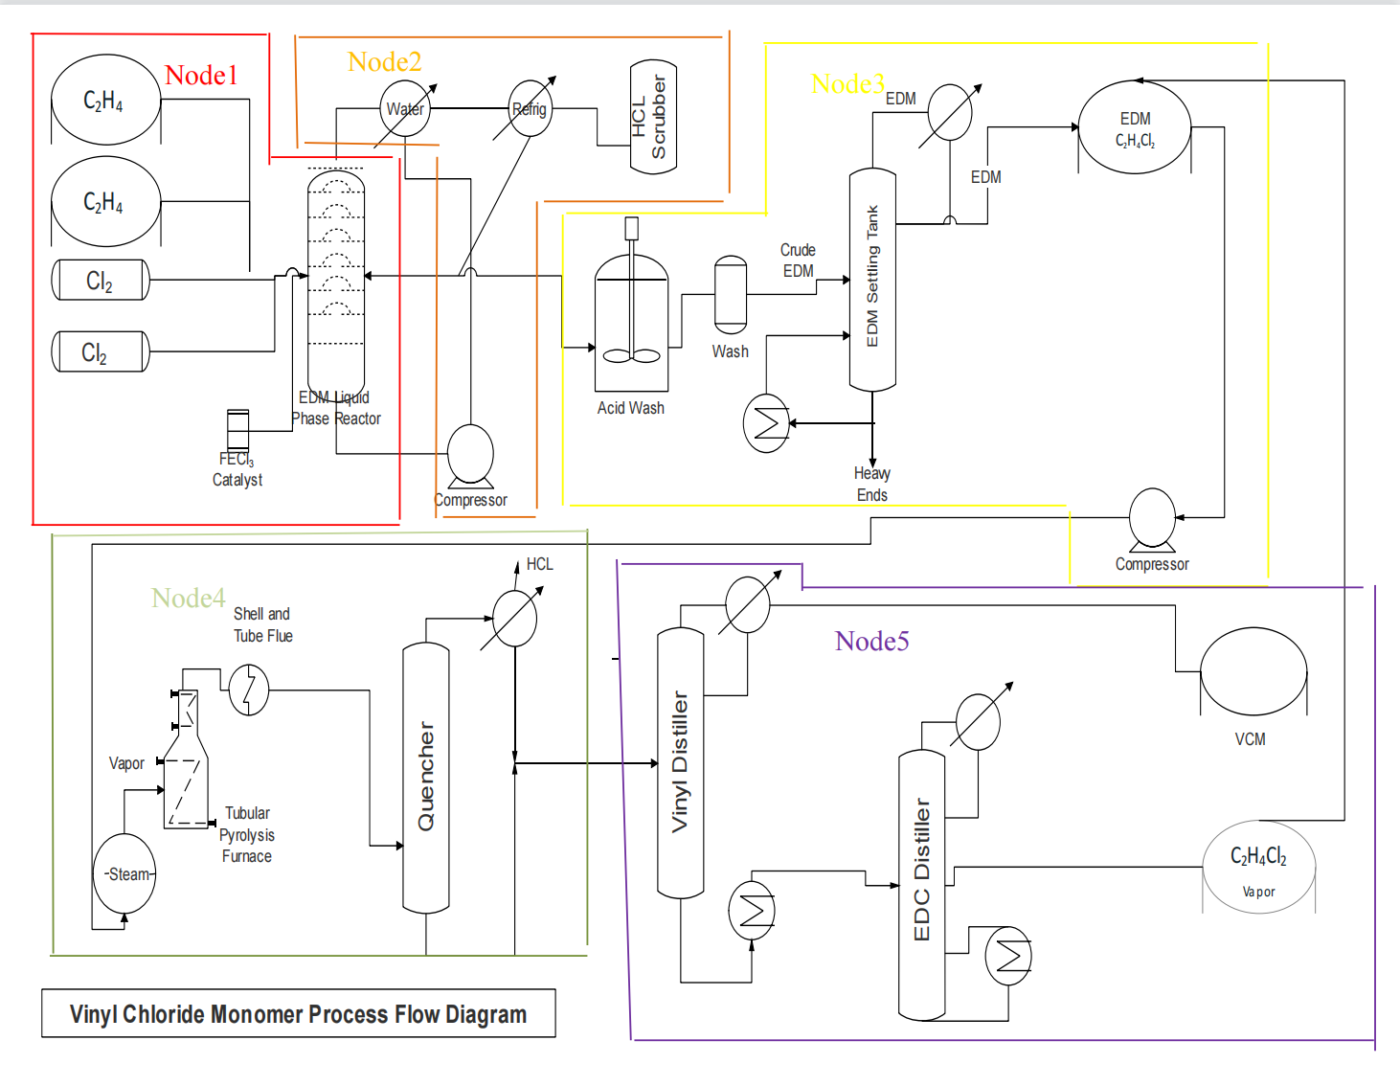
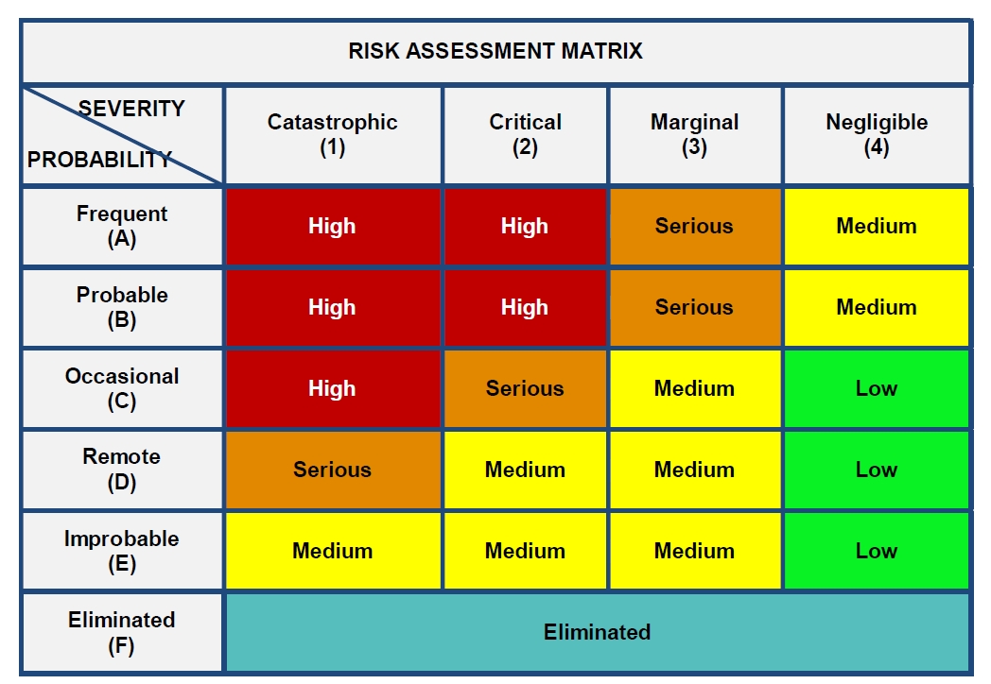
 |  |  |  |  |  | HAZOP ANALYSIS
Node | Item No. | Function/Purpose | Parameter | Guide Word/ Deviation | Causes | Consequences | Hazard | IRMI MIL STD-882 | Recommendations | FRMI MIL STD-882 | Comments
Node 5 Purification of vinyl chloride monomer and recycling of ethylene dichloride | 1.Vinyl distiller | The liquid stream composed of vinyl chloride, unreacted dichloroethane and polychloride is used to produce vinyl chloride products | Flow | Overfilled | The outlet are unable to function properly for the required volume of liquid, leading to more and more liquid and higher pressure on the outlet | Distiller failure or even rupture | Production failure | 2C | Install a flow monitoring system to keep an eye on the distiller when the flow goes over the predetermined range; Regularly inspect and promptly clean the distiller's pipework. | 3C | THE EFFECT OF PRESSURE ON DYNAMICS AND CONTROL OF SIDESTREAM DISTILLATION COLUMNS
 |  |  |  | Other than | As the pressure and the volume of the liuqid increase, | leakage | Polluting the environment | 2B | Establish a flow monitoring system to shut down the distiller when the flow goes over the predetermined range; Regularly inspect and promptly clean the distiller's pipework. In particular, the materials used for the devices should be corrision-resistant | 4B | THE EFFECT OF PRESSURE ON DYNAMICS AND CONTROL OF SIDESTREAM DISTILLATION COLUMNS
 |  |  |  | Other than | Apart from the basic production, there would be some side-effects on the reactions | Produce toxic substances | Hazard on human health | 2C | Set up a flow monitoring device to close the distiller when the flow exceeds the set range; Check the pipeline of the distiller regularly and clean the pipeline in time | 3C | THE EFFECT OF PRESSURE ON DYNAMICS AND CONTROL OF SIDESTREAM DISTILLATION COLUMNS
 | 2.Heat Exchanger | The exchange of heat between thermals and cold ones. | Temperature | Higher | Reduce the cooling water flow and increase the continuous water temperature | Too much heat is added to the water flow and the required temperature cannot be obtained. | May cause combustion. | 1C | Add a temperature monitoring device to give a warning once the temperature exceeds or falls below the set temperature to avoid affecting the operation of the heat exchanger because of the temperature. If possible, the liquid should be improved to be able to work at a larger temperature range | 3C | ASME
 |  |  |  | Lower | Excessive cooling water generation | Some reactive chemicals may freeze or solidate | Plug the pipe, causing leakage and rupture. | 2C | Add a temperature monitoring device to give a warning once the temperature exceeds or falls below the set temperature to avoid affecting the operation of the heat exchanger because of the temperature. If possible, there should be some anti-frezzeing additions in the liquids | 3C | ASME
 | 3.EDC Distiller | Generate EDM reuse | Flow | More | The outlet does not discharge liquid, and excess liquid returns to the distiller | Distiller failure | Production failure | 2C | When the flow exceeds the predetermined range, install a flow monitoring system to keep an eye on the distiller. Regularly check and immediately clean the distiller's piping. | 3C | THE EFFECT OF PRESSURE ON DYNAMICS AND CONTROL OF SIDESTREAM DISTILLATION COLUMNS
 |  |  |  |  | As the pressure and the volume of the liuqid increase, | Leakage | Polluting the environment: | 2B | Establish a flow monitoring system to shut down the distiller when the flow goes over the predetermined range; Regularly inspect and promptly clean the distiller's pipework. In particular, the materials used for the devices should be corrision-resistant | 4B | THE EFFECT OF PRESSURE ON DYNAMICS AND CONTROL OF SIDESTREAM DISTILLATION COLUMNS
 |  |  |  |  | Apart from the basic production, there would be some side-effects on the reactions | Produce toxic substances | Endangering human health | 2C | Establish a flow monitoring system to shut down the distiller when the flow goes over the predetermined range; Regularly inspect and promptly clean the distiller's pipework. If possible, certain PPE should be used to protect the insite workers | 3C | THE EFFECT OF PRESSURE ON DYNAMICS AND CONTROL OF SIDESTREAM DISTILLATION COLUMNS
 | 4.VCM storage tank | Store VCM | Pressure | Higher | Temperature rise of VCM tank | VCM gas begins to expand | Poisoning caused by VCM gas leakage | 1C | Monitor the tank pressure and design the rated pressure during production to prevent exceeding the pressure | 3C | 2018 IPC
 |  |  |  | Other than | Rising pressure on the VCM tank | Pressure in VCM tank begin to rise | Fire caused by combustion or explosion of VCM gas | 2B | In order to avoid exceeding the pressure, monitor the tank pressure and design the rated pressure throughout production. | 4B

